Sheet1
3d printer Material Cost

PLA |  |  |  | mm length
1.24 g..cm 3 | 1.75mm | 39.99 | 2 lb | 300000

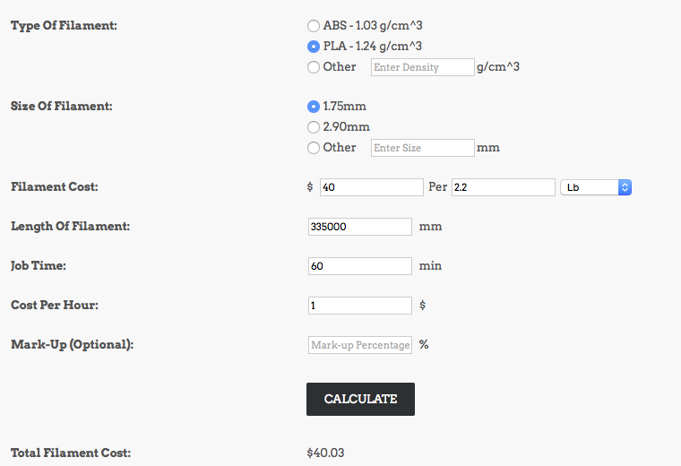

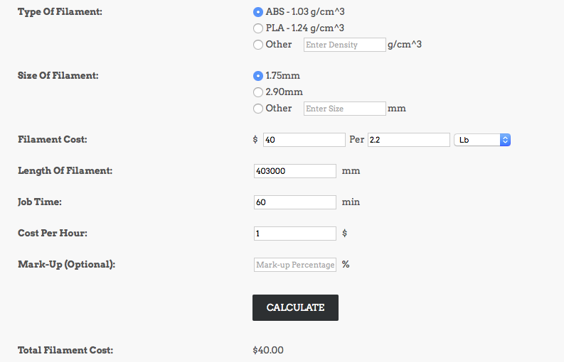

t-glase | length
30.99 | 57912
Filaments sell by 1 kg

We sell our filament by weight, not by volume or filament length. Our standard rolls are 1.0 kilogram net weight -- the spool and packaging adds ~ 0.3 kg of additional weight to the product.
For your convenience, here are the approximate volume and filament length information:
PLA

Density: 1.25 g/cm^3
Volume: 0.80 cm^3/g or 800 cm^3/kg |  |  |  |  | mm |  | $ per mm
1.75 mm filament length for 1 kg spool: ~ 330 meters / ~ 1080 feet |  |  |  |  | 330000 | 35 | 0.00010606060606 | 10684.297067 | 1.1331830222
3.00 mm filament length for 1 kg spool: ~ 110 meters / ~ 360 feet
ABS

Density: 1.04 g/cm^3
Volume: 0.96 cm^3/g or 960 cm^3/kg |  |  |  |  |  |  | $ per mm
1.75 mm filament length for 1 kg spool: ~ 400 meters / ~ 1310 feet |  |  |  |  | 400000 | 35 | 0.0000875
3.00 mm filament length for 1 kg spool: ~ 130 meters / ~ 430 feet

